1. Title Page
Instacart Grocery Basket Analysis

Project Name: Instacart Grocery Basket Analysis
Date: 2023-05-02
Analyst Name: Kilian Loeffner
Data used: “The Instacart Online Grocery Shopping Dataset 2017”, Accessed from www.instacart.com/datasets/grocery-shopping-2017 via Kaggle on [date].

Contents:
Population Flow
Consistency checks
Wrangling steps
Column derivations
Visualizations
Recommendations

2. Population Flow
Title page

Population flow

Exclusion flag
Condition: max_order < 5
Obervations to be removed: 1440295 observations
Final total count of order_products_all: 30964564 rows

Orders_products_combined
Orders_products_merged
Orders_products_all

Total: 32434489 rows
Total: 32434489 rows
Total: 32404859 rows

1.) The grey boxes in the first row of the population flow represent the original data sets as they were when you downloaded them. In the Total fields you need to add the count of the rows when you imported the data set into Jupyter.
2.) The second row of boxes (coloured) represents the data sets after you manipulated them, e.g., removed missing values and duplicates. In the Total fields you need to add the count of the rows after conducting these operations. This offers a visual oveview of how the data flows throughout the data consistency checks.
3.) The third row, where also the arrows are coloured, represents the merges you performed between the datasets. In the Total fields you need to add the count of the rows in the merged datasets, so that you end up with the final dataset (in the red box). Keep in mind the final dataset should be without exclusions (based on the exclusion flag).

3. Consistency checks
 |  |  |  | Title page
Consistency checks

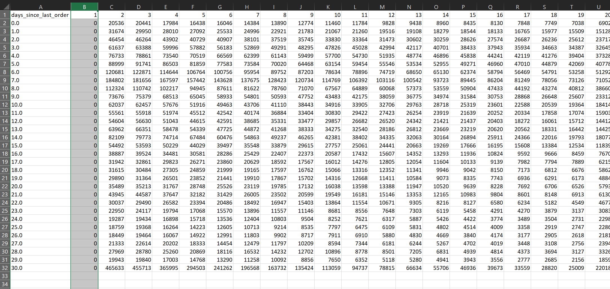
Dataset | Missing values | Missing values treatment | Duplicates
orders | 206209, in 'days_since_last_order' column | All kept These mark the very first order each user made | none found
products | 16 | dropped | 5 - dropped
orders_products_prior | 0 | none found | none found
customers | 0 | none found | none found
orders_products_merged | 5127 unusual price values over 100$ | dropped | none found

 |  |  |  |  | all missing values are first orders by customers

4. Wrangling steps
 |  |  |  | Title page
Wrangling steps

Columns dropped | Columns renamed | Columns' type changed | Comment/Reason
orders.eval set |  |  | data irrelevant to analysis
 | order_dow' renamed to 'orders_day_of_week' |  | renamed to be more descriptive
 |  | orders.order_id changed to str | str works better as identifier
 |  | orders.user_id changed to str | str works better as identifier
 | days_since_prior_order' : 'days_since_last_order' |  | raname for better understanding
customers | First Name': 'first_name', 'Surnam': 'last_name', 'Gender': 'gender', 'STATE': 'state', 'Age': 'age', 'n_dependants': 'number_dependants', 'fam_status': 'family_status' |  | renamed for consistency and better understanding
customers.last_name, customers.first_name |  |  | for data privacy reasons, removed first and last name data

5. Column derivations
In this tab you should add tables below that the frequences of flags/label variables that you produced after deriving them. NB: don't do this for continuous variables, only for flags.
 |  |  |  | Title page

Column derivations and aggregations

Dataset | New column | Column/s it was derived from | Conditions
products | price_range | price | price <= 5 : Low range product, price > 5 and <= 15 : Mid range product, price > 15: High-range product
ords_prods_merged | busiest_days | order_day_of_the_week | order_day_of_the_week 0<=1: Busiest day, >=3 & <=4 : Least busy, else: ==5 & ==6 : regular busy
ords_prods_merged | busiest_period_of_day | order_hour_of_day | [9,10,11,12,13,14,15,16] = Most orders, 22,23,0,1,2,3,4,5,6,7,8] = Fewest orders, else: Average orders
ords_prods_merged | loyality_flag | max_orders | max_orders > 40 : Loyal customer, max_order <= 40 & max_order > 10 : Regular customer, max_order <= 10 : New customer
ords_prods_merged | spending_flag | avg_spending | avg_spending >= 10 : High-spender, avg_spending < 10 :Low-spender
ords_prods_merged | order_frequency_flag | median_days_between_orders | >20: Non frequent customer, <= 20 & >10: Regular customer, <= 10 : Frequent customer
orders_products_all | region | state | according to us census regions
orders_products_all | age_profile | age | age <= 25 = Young, 26-59 = Middle-aged, 60+ senior
orders_products_all | income_profile | income | income <= 35.000: Low-income, 35.000 - 100.000: Mid-income, >= 100.000 High-income
orders_products_all | family_profile | number_dependants | number_dependants > =1 : Family, : No children
orders_products_all | nutrition_profile | department id | Vegetarian (no orders from department 12), Vegan (no orders from departhemts 12 and 16), Meat-consumer (ordsers >= 1)

6. Visualizations
 |  |  |  |  |  |  |  | Title page
In this tab you should include all the visualtions from Exercises 4.9 and 4.10, alongside the questions from the project brief that they answer. Include any commentary on the relationship between different variables.
Visualisations

The sales team needs to know what the busiest days of the week and hours of the day
are (i.e., the days and times with the most orders) in order to schedule ads at times |  | 0 | 1 | 2 | 3 | 4 | 5 | 6
when there are fewer orders. |  | Saturday | Sunday | Monday | Tuesday | Wednesday | Thursday | Friday
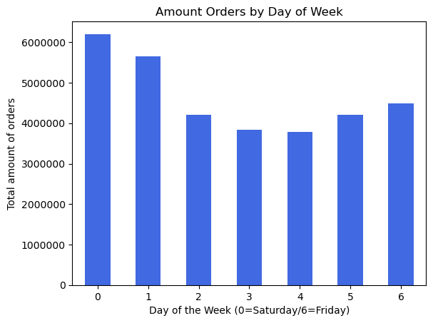
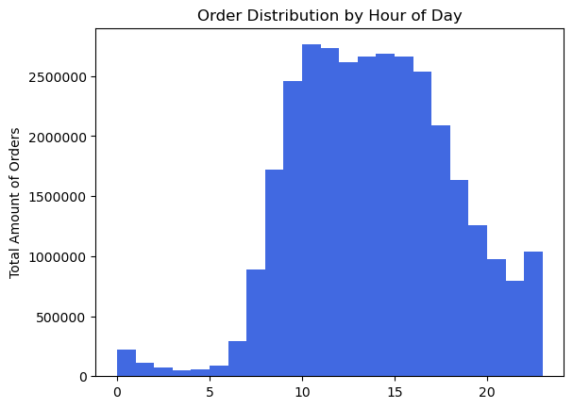
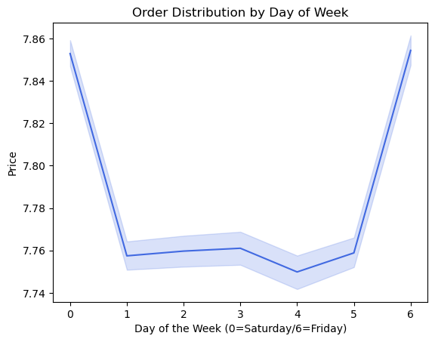

 |  |  |  |  |  |  |  |  | Most orders are placed on the weekend.
 |  |  |  |  |  |  |  |  | Tuesday and Wednesday showing the least amount of orders .

 |  |  |  |  |  |  |  |  | Between 10AM and 4PM are the most orders. The least amount of orders is from 0AM - 6AM. 10PM also showing relative low amount of orders.
 |  |  |  |  |  |  |  |  | Customers tend to spend the most money on Saturday and Friday.

They also want to know whether there are particular times of the day when people spend
the most money, as this might inform the type of products they advertise at these times.



 |  |  |  | Customers tend to spend the most money between 3-7AM. But the difference is marginal.

Are there certain types of products that are more popular than others? The marketing
and sales teams want to know which departments have the highest frequency of product
orders.

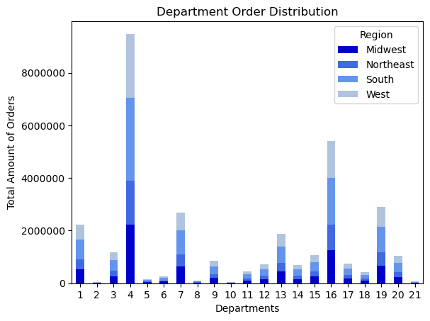

 |  |  |  | The Departments 4 (produce), 16 (dairy/egg), 19 (snacks), 7 (beverages) and 1 (frozen) showing the most amount of orders and are therefore more popular.

What’s the distribution among users in regards to their brand loyalty (i.e., how
often do they return to Instacart)?

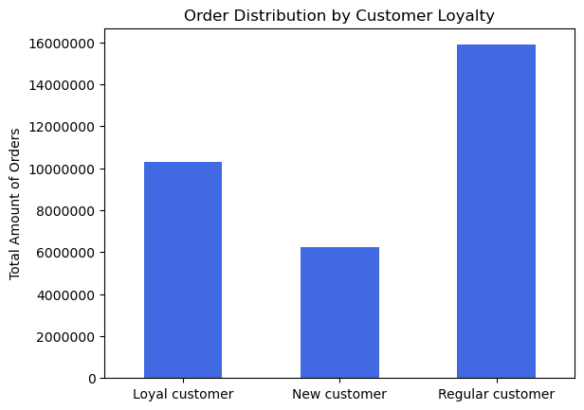

 |  |  | Loyal customers with more than 40 orders making up a big part of Instacard orders. But Regular customers showing the most orders in total.

Are there differences in ordering habits based on a customer’s loyalty status?

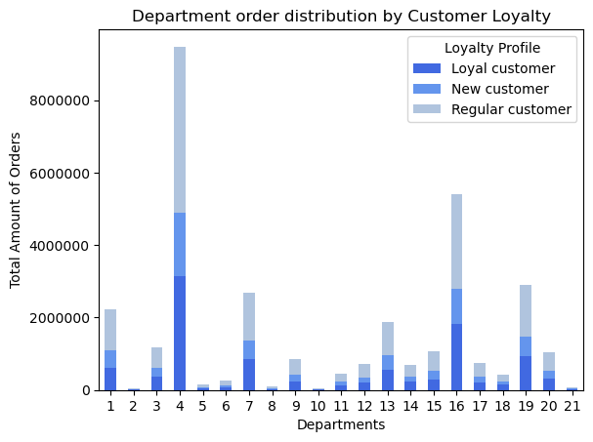

 |  |  |  | Order habits do not differ a lot on loyalty status.

Are there differences in ordering habits based on a customer’s region?

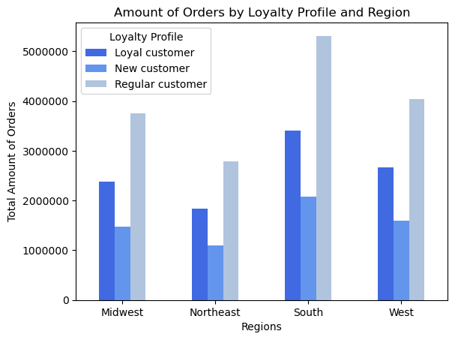

 |  |  | When considering the population of the different regions the South region should have the most orders by far (South region has 38% of the total population in the US). There could be more potential. Apart from that the data does not show any drastic difference in order habit.

Is there a connection between age and family status in terms of ordering habits
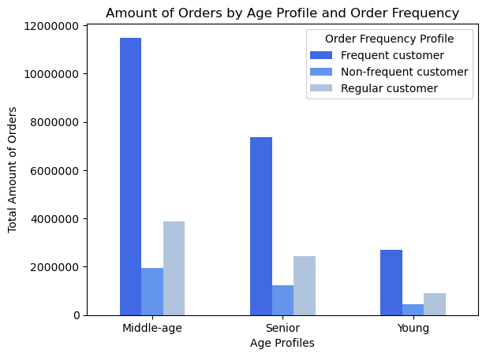
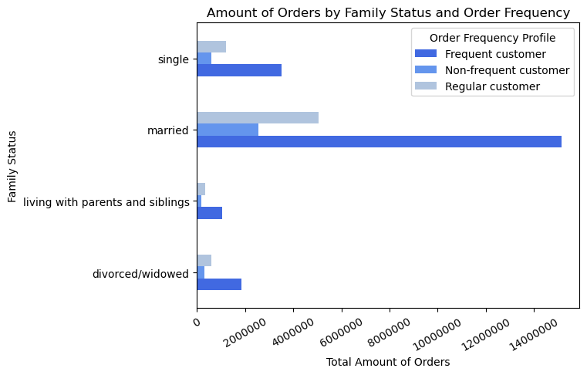

 |  |  |  |  |  |  |  |  | Married and Middle Age people making up the biggest part of orders. While young singles and divorced/widowed people making up for the least amount of orders.
 |  |  |  |  |  |  |  |  | There are no special order habit to find in a certain age or family profiles.

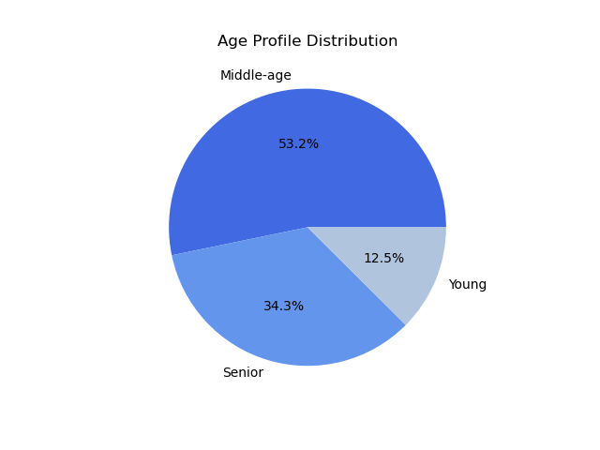

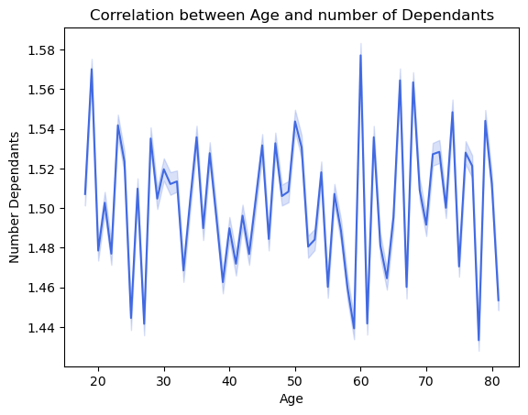

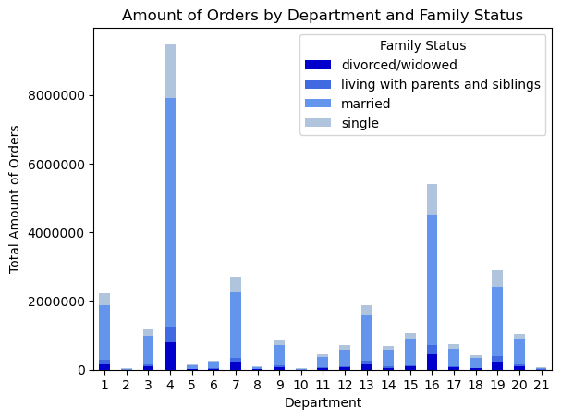
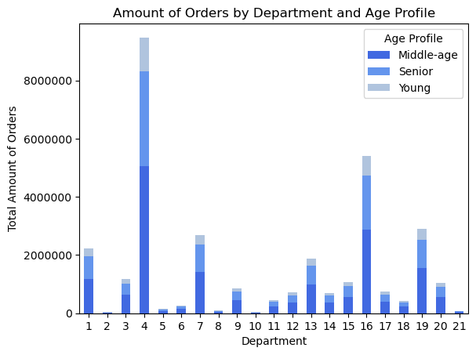

 |  |  |  |  |  |  |  |  |  |  | There is no clear connection between age and family size.
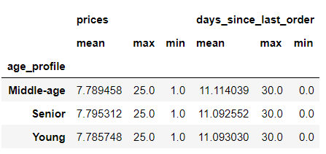
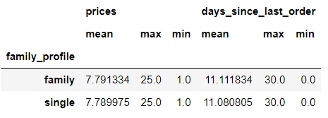

What differences can you find in ordering habits of different customer profiles?
Consider the price of orders, the frequency of orders, the products customers are
ordering, and anything else you can think of.

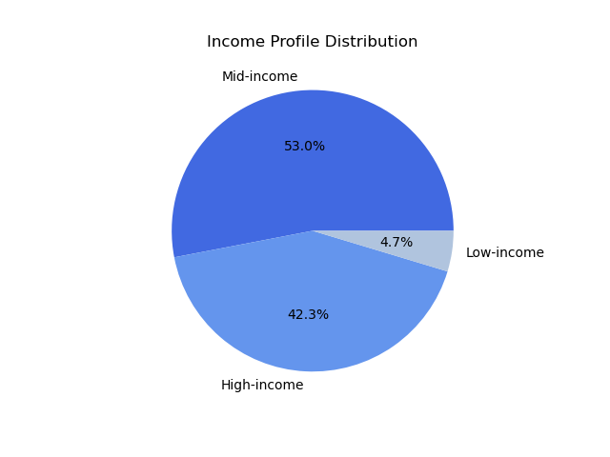
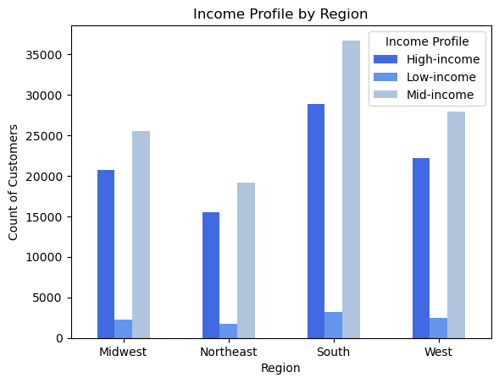
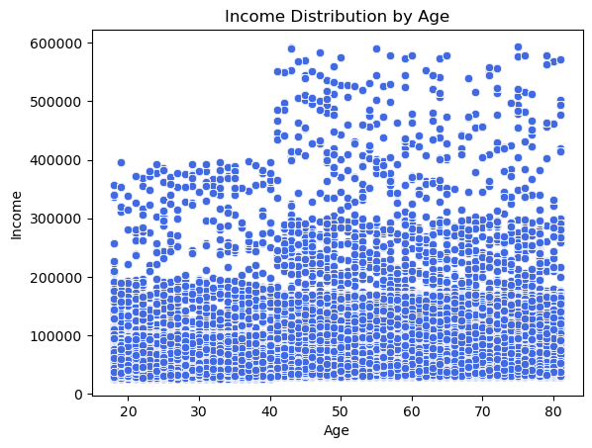

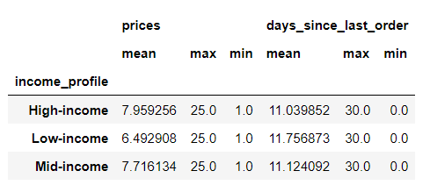

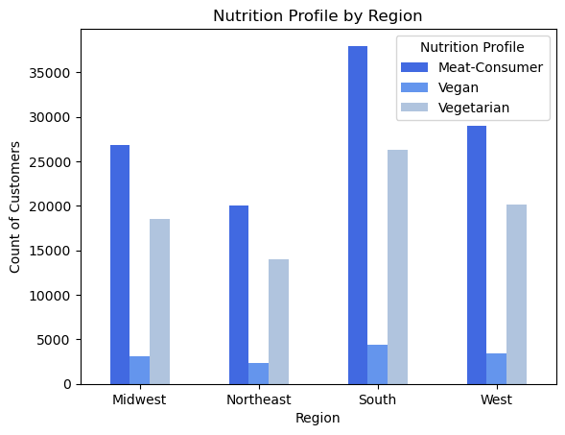
 | The Income-Profiles are reflected in teh spending habits. High-income spending the most on products on average while Low-income spends nearly 1.5$ less on average per product.
 | There is also a clear connection between Age and Income.

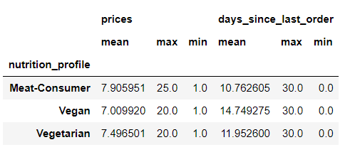
 |  |  |  |  |  |  |  |  |  | Also no clear connection between region and nutrition profile.
 |  |  |  |  |  |  | Vegans tend to spend the least money on average per product.
 |  |  |  |  |  |  | Meat-Consumers tend to spend to most money on average per product.

7. Recommendations
 |  |  |  | Title page

Recommendations

In this tab you should include any recommendations you would made to Instcart in terms of their marketing strategy based on the questions posed in the brief. Every key question has been covered in the Tasks of the Exercises - here you need to add an item - a visualisation or table/crosstable that is showing the answer in the data, acompanied by a comment from you. Please, list the questions below and add the answer underneath.

 | Question | Answer
 | 1. The sales team needs to know what the busiest days of the week and hours of the day are (i.e., the days and times with the most orders) in order to schedule ads at times when there are fewer orders. | Tuesday and Wednesday showing the least amount of orders. Some advertisement or special offers on those days could be helpful to boost the revenue.

 | 2. They also want to know whether there are particular times of the day when people spend the most money, as this might inform the type of products they advertise at these times. | People are the most willing to spend money during 3-7AM also at 5 PM and 10PM. Advertising high cost products could be most effective around these times.
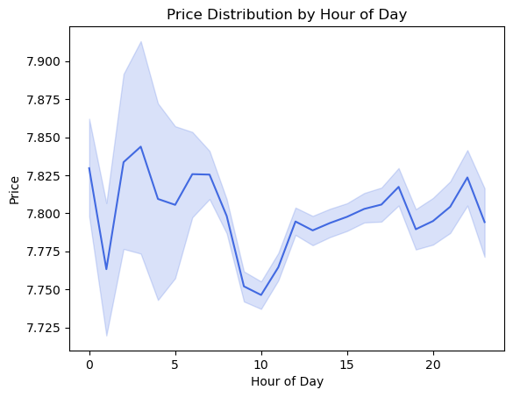
 | 3. Instacart has a lot of products with different price tags. Marketing and sales want to use simpler price range groupings to help direct their efforts. | Products are grouped by Low, Mid and High-Range Product categorys
 | 4. Are there certain types of products that are more popular than others? The marketing and sales teams want to know which departments have the highest frequency of product orders. | Department 4. (Produce) and 16. (Dairy/eggs) stand out as the most popular departments. Special offers and ads on those product categorys could reach the biggest audience possible.

 | 5. The marketing and sales teams are particularly interested in the different types of customers in their system and how their ordering behaviors differ. |  | The biggest difference in spending habits is to find in income-profiles. People with high income spend significant more on average per product than people with low income. Also the order frequency is higher. It would be good to advertise high price products to high income people and vise versa.
 | 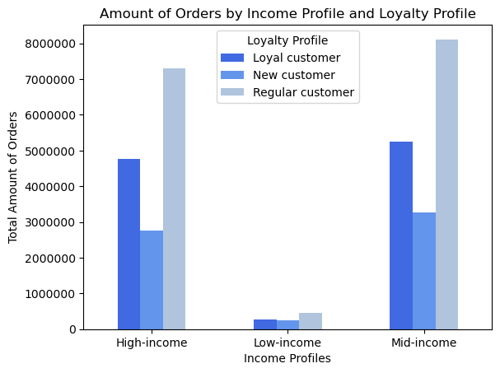
 | 6. What different classifications does the demographic information suggest? Age? Income? Certain types of goods? Family status? | Regional differences are insignificant. The south region has the biggest potential because 38% of US population live there. The most difference between profiles is to find in the income-profile. I also categorized the users by nutrition profile. Advertising different products based on the nutrition profile is highly suggested.
 | 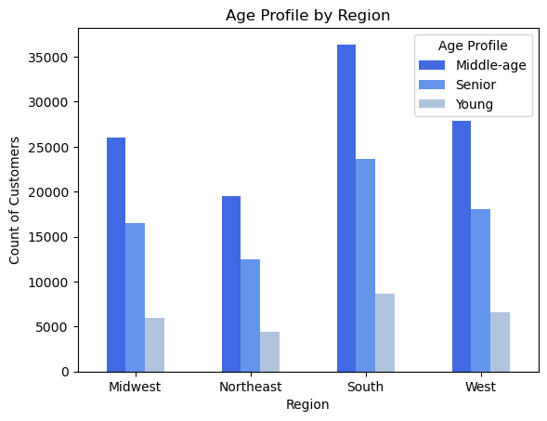 |  | 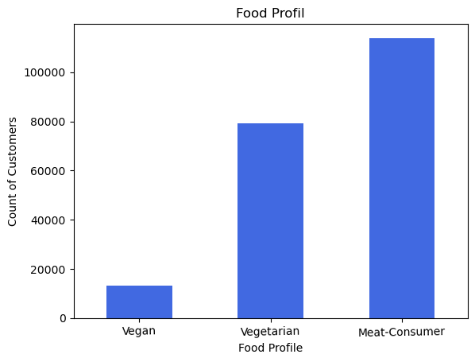
 | 7. What differences can you find in ordering habits of different customer profiles? Consider the price of orders, the frequency of orders, the products customers are ordering, and anything else you can think of.

 |  |  | Vegan customers spend the least money on average per product. They also tend to have the lowest order frequency. Since the trend goes to meatless nutrition I would suggest advertising more to vegetarians and vegans. Advertising high price meat products to meat consumers could also lead to higher revenue.

 | All together the biggest part of Instacard customers are married people between 25-59 years of age with mid to high income. Advertising to these customers group would reach the biggest population. When considering boosting weak customer bases, advertising to young vegan/vegetarian people with low income would be the way to go.

